Data_pass_LDVs
 | in €2017 | in €2019 | in $2012
Gasoline | 23,500 |  | 28,621
Diesel | 34,500 |  | 42,018
PHEV | 35,400 |  | 43,114
BEV |  | 45,835 | 54,178 |  | 2020-2021 costs adjusted to match historical EV sales in EPS
 |  |  |  |  | 2022 cost adjusted to 2022 historical EV cost |  |  |  | 55821 | € | https://info.jato.com/hubfs/Affordable-EVs-and-Mass-Adoption-The-Industry-Challenge.pdf

Price in $2012 | Assumption: price variation/year | 2017 | 2018 | 2019 | 2020 | 2021 | 2022 | 2023 | 2024 | 2025 | 2026 | 2027 | 2028 | 2029 | 2030 | 2031 | 2032 | 2033 | 2034 | 2035 | 2036 | 2037 | 2038 | 2039 | 2040 | 2041 | 2042 | 2043 | 2044 | 2045 | 2046 | 2047 | 2048 | 2049 | 2050
Gasoline | -0.01% | 28,621 | 28,619 | 28,618 | 28,617 | 28,615 | 28,614 | 28,612 | 28,611 | 28,609 | 28,608 | 28,607 | 28,605 | 28,604 | 28,602 | 28,601 | 28,599 | 28,598 | 28,597 | 28,595 | 28,594 | 28,592 | 28,591 | 28,589 | 28,588 | 28,587 | 28,585 | 28,584 | 28,582 | 28,581 | 28,579 | 28,578 | 28,577 | 28,575 | 28,574
Diesel | -0.01% | 42,018 | 42,016 | 42,014 | 42,012 | 42,009 | 42,007 | 42,005 | 42,003 | 42,001 | 41,999 | 41,997 | 41,995 | 41,993 | 41,991 | 41,988 | 41,986 | 41,984 | 41,982 | 41,980 | 41,978 | 41,976 | 41,974 | 41,972 | 41,970 | 41,967 | 41,965 | 41,963 | 41,961 | 41,959 | 41,957 | 41,955 | 41,953 | 41,951 | 41,949
PHEV | See Below | 43,114 | 43,114 | 43,114 | 43,114 | 43,114 | 43,114 | 43,114 | 42,640 | 42,299 | 41,960 | 41,625 | 41,292 | 40,961 | 40,838 | 40,716 | 40,594 | 40,472 | 40,350 | 40,350 | 40,350 | 40,350 | 40,350 | 40,350 | 40,350 | 40,350 | 40,350 | 40,350 | 40,350 | 40,350 | 40,350 | 40,350 | 40,350 | 40,350 | 40,350
BEV* | See Below | 53,641 | 53,909 | 54,178 | 50,500 | 48,500 | 47,733 | 47,733 | 44,873 | 42,014 | 41,316 | 40,618 | 39,919 | 39,221 | 38,523 | 38,343 | 38,163 | 37,983 | 37,803 | 37,623 | 37,623 | 37,623 | 37,623 | 37,623 | 37,623 | 37,623 | 37,623 | 37,623 | 37,623 | 37,623 | 37,623 | 37,623 | 37,623 | 37,623 | 37,623
Natural gas** |  | 32,914 | 32,912 | 32,911 | 32,909 | 32,907 | 32,906 | 32,904 | 32,902 | 32,901 | 32,899 | 32,898 | 32,896 | 32,894 | 32,893 | 32,891 | 32,889 | 32,888 | 32,886 | 32,884 | 32,883 | 32,881 | 32,879 | 32,878 | 32,876 | 32,875 | 32,873 | 32,871 | 32,870 | 32,868 | 32,866 | 32,865 | 32,863 | 32,861 | 32,860
Hydrogen | -0.5% | 79,950 | 79,552 | 79,156 | 78,763 | 78,371 | 77,981 | 77,593 | 77,207 | 76,823 | 76,441 | 76,060 | 75,682 | 75,305 | 74,931 | 74,558 | 74,187 | 73,818 | 73,451 | 73,085 | 72,722 | 72,360 | 72,000 | 71,642 | 71,285 | 70,930 | 70,578 | 70,226 | 69,877 | 69,529 | 69,184 | 68,839 | 68,497 | 68,156 | 67,817
LPG |  | 30,052 | 30,050 | 30,049 | 30,047 | 30,046 | 30,044 | 30,043 | 30,041 | 30,040 | 30,038 | 30,037 | 30,035 | 30,034 | 30,032 | 30,031 | 30,029 | 30,028 | 30,026 | 30,025 | 30,023 | 30,022 | 30,020 | 30,019 | 30,017 | 30,016 | 30,014 | 30,013 | 30,011 | 30,010 | 30,008 | 30,007 | 30,005 | 30,004 | 30,002

*We utilize historical BEV prices until 2022, assume no change in 2023, track ICCT projections until 2035, then assume constant prices thereafter.
*We assume no change in historical PHEV prices until 2023, then track ICCT's projected % annual cost reductions until 2035.
For gasoline, diesel and PHEV cars, we assume prices will almost stagnate
**Natural gas cars are currently ~15% more expensive than conventional cars. We expect the price difference to remain (https://www.euractiv.com/section/energy/interview/gas-chief-we-expect-at-least-10-of-the-car-market-in-2030/)
LPG cars cost almost the same as gasoline cars

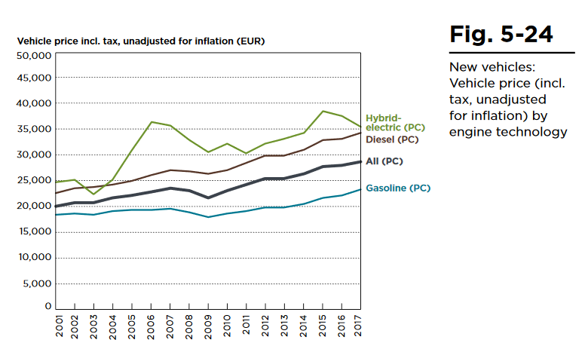
 |  |  |  |  |  |  |  | BEV Prices:
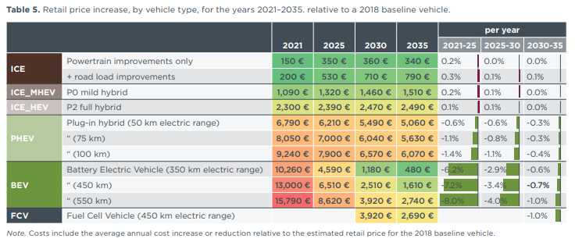

 |  |  |  |  |  |  |  | ICCT: PATHWAYS TO DECARBONIZATION: THE EUROPEAN PASSENGER CAR MARKET IN THE YEARS 2021–2035

 |  |  |  |  |  |  |  | 2021 | 2025 | 2030 | 2035 | 2021-2025 | 2025-2030 | 2030-2035
 |  |  |  |  |  |  | PHEV (75 km) |  |  |  |  | -1.10% | -0.80% | -0.30%

 |  |  |  |  |  |  | BEV (350 km) | 10260 | 4590 | 1180 | 480
 |  |  |  |  |  |  | 450 km | 13000 | 6510 | 2510 | 1610 | -7.2% | -3.4% | -0.7%
 |  |  |  |  |  |  | 550 km | 15790 | 8620 | 3920 | 2740
 |  |  |  |  |  |  |  | 12573.426065 | 6000.216222 | 1994.6664738 | 1129.7704418

 |  |  |  |  |  |  | EPS Data: | Time (Year) | 2020 |  | Avg 2018 ICE price (2012 USD)
 |  |  |  |  |  |  |  | New Vehicles[LDVs,passenger,battery electric vehicle] : MostRecentRun | 321516 |  | 36,013
 |  |  |  |  |  |  |  | New Vehicles[LDVs,passenger,natural gas vehicle] : MostRecentRun | 215931
 |  |  |  |  |  |  |  | New Vehicles[LDVs,passenger,gasoline vehicle] : MostRecentRun | 3.39E+06
 |  |  |  |  |  |  |  | New Vehicles[LDVs,passenger,diesel vehicle] : MostRecentRun | 4.18E+06
 |  |  |  |  |  |  |  | New Vehicles[LDVs,passenger,plugin hybrid vehicle] : MostRecentRun | 489753
 |  |  |  |  |  |  |  | New Vehicles[LDVs,passenger,LPG vehicle] : MostRecentRun | 717303
 |  |  |  |  |  |  |  | New Vehicles[LDVs,passenger,hydrogen vehicle] : MostRecentRun | 39

Ships
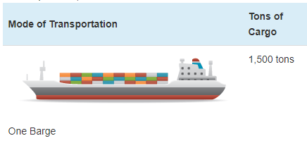
Ship prices vary greatly by ship type and size. Based on variable AVLo, our average |  |  |  | freight ship capacity
freight ship loading is 1140,5 tons. This may be reasonably represented by a single oceangoing, |  |  |  | Tennessee-Tombigbee Waterway
self-propelled barge that has a capacity of 1500 tons (see source info to the right). A drawing |  |  |  | undated
of a barge of this type is shown to the right (from thas same source). |  |  |  | Cargo Capacity of Different Transportation Modes
 |  |  |  | http://business.tenntom.org/why-use-the-waterway/shipping-comparisons/
Capacities of large barges of this sort are often expressed in TEU (twenty-foot equivalent units),
which are the size of a standard intermodal metal shipping container. They do not convert
neatly into cargo tons, but standard containers have a maximum payload
mass of 21600 kg, or 21.6 metric tons. Typical payload may be less. We use 16 tons as
the typical load for a freight HDV (see variable AVLo), which may use an intermodal container
or be similar in size to one.

The largest barge in the world is the Maersk Triple E class, with a capacity of 18,340 TEU |  |  |  | Source for TEU capacities
and a cost of $185 million. This is more than 200 times more capacity than the ship we |  |  |  | https://web.archive.org/web/20090420143514/http://emase.co.uk/data/cont.html
wish to represent with this variable, and it serves as an upper bound reference point.
 |  |  |  | Source for Maersk Triple E class pricing
A variety of used boats are listed for sale at https://www.oceanmarine.com |  |  |  | https://www.bloomberg.com/news/photo-essays/2013-09-05/holy-ship#slide1
with ever-changing inventory. These barges all tend to be smaller than the reference
ship we wish to represent (with 1500-ton capacity). The closest ships I have been |  |  |  | Source for Other Example cargo ship pricing
able to find are certain Platform Supply Vessels, which tend to have higher deck capacities |  |  |  | https://www.oceanmarine.com
and lower prices than the similar Anchor Handling Tug Supply (AHTS) vessels. AHTS
vessels have extra equipment and engine power that may increase their price relative
to the necessary capacity.

 | Description | Deck Capacity (metric tons) | Price | Year of Manufacture
 | 180ft 5200HP AHTS 9504 | 500 | 5900000 | 1984
 | 60 Ton BP AHTS - 9279 | 500 | 7050000 | 1984
 | 5200HP AHTS - 9278 | 500 | 7050000 | 1983
 | 220ft Platform Supply DP-1 - 13146 | 1030 | 6000000 | 1999
 | 240ft Platform Supply Vessel(PSV) DP-1 - 13932 | 1800 | 6000000 | 2009
 | 285ft Platform Supply Vessel (PSV) - 13810 | 2800 | 22000000 | 2014

Based on all of these data points, we select a value of $10 million to represent a brand new,
self-propelled, ocean-going barge or supply boat with 1,500-ton capacity.
10000000

We assume no change in pricing over time.

